GE3 2023 F3
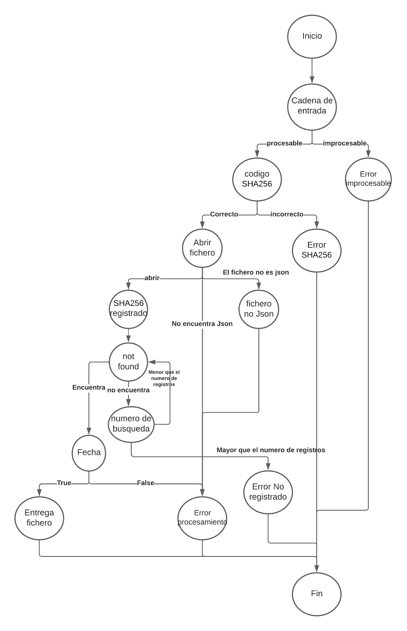
# | PATH | ID TEST | DESCRIPTION | KEY | EXPECTED RESULT | OBSERVATIONS
1 | 1_2_3_5_7_9_10_11_12_15 | sp_01 | La funcion devuelve True y se envia el fichero
2 | 1_2_3_5_7_9_10_14_15 | sp_02 | El código de seguimiento no estaba registrado.
3 | 1_2_3_5_13_15 |  | No se encuentra el fichero JSON
4 | 1_2_3_5_8_13_15 |  | El fichero no tiene extensión JSON
5 | 1_2_3_6_15 |  | Código SHA-256 incorrecto (formato no corresponde)
6 | 1_2_4_15 |  | Cadena de estrada no procesable (no str..)
7 | 1_2_3_5_7_9_10_11_13_15 |  | Fecha incorrecta

 | V(G)= E-V

